Sheet6





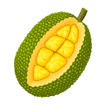












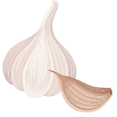

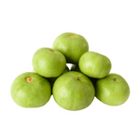
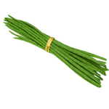

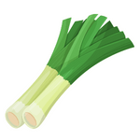
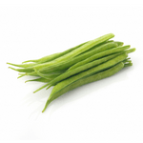
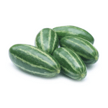
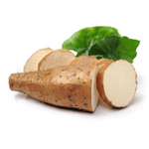

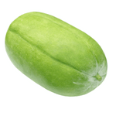
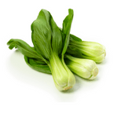
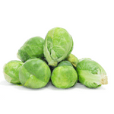
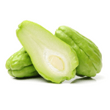
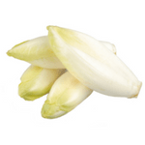
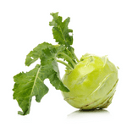
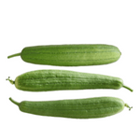
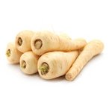
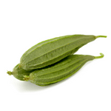
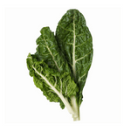
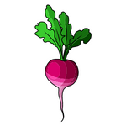
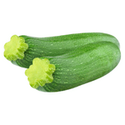

Sr No. | Vegetables Image | Vegetables Name
1 |  | Potato
2 |  | Tomato
3 |  | Brinjal
4 |  | Cabbage
5 |  | Radish
6 |  | Onion

7 |  | Bitter Gourd
8 |  | Lady’s finger
9 |  | Cauliflower
10 |  | Pumpkin
11 |  | Carrot

12 |  | Ginger
13 |  | Chilli
14 |  | Capsicum
15 |  | Spinach
16 |  | Jackfruit

17 |  | Mushroom
18 |  | Sweet Potato
19 |  | Beetroot
20 |  | Cucumber
21 |  | Broccoli

22 |  | Asparagus
23 |  | Corn
24 |  | Celery
25 |  | Green bean
26 |  | Chickpea
27 |  | Lentil
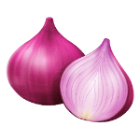
28 |  | Peas
29 |  | Garlic
30 |  | Coriander
31 |  | Apple Gourd
32 |  | Drumstick
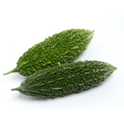
33 |  | Bottle Gourd
34 |  | Leek
35 |  | Cluster Beans
36 |  | Pointed Gourd
37 |  | Yam

38 |  | Artichoke
39 |  | Ash Gourd
40 |  | Bok Choy
41 |  | Brussels Sprout
42 |  | Chayote

43 |  | Endive
44 |  | Kohlrabi
45 |  | Luffa
46 |  | Parsnip
47 |  | Ridged Gourd
48 |  | Swiss Chard

49 |  | Turnip
50 |  | Zucchini

Sheet9
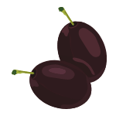
Fruits Names in English with Pictures
Apple
An apple is an edible fruit that is cultivated worldwide from the species Malus. This fruit contains vital minerals, vitamins, and other nutrients, which are beneficial for our body. Its color is red, pink, green, and has a sweet taste.


Mango
The mango is an edible fruit rich in vitamins(A, C &D), and the taste is either sweet when ripe and sour when before ripen. This fruit is also called the king of all fruits, scientifically called Mangifera indica, mostly cultivated in tropical areas.



Banana
A banana is a fleshy and edible fruit that does not contain any seeds. Its family is Musa named scientifically, Musa acuminate, variable in size, color, and elongated, curve-shaped. It is all fleshy and sweet, full of starch, and is green, yellow, red, purple, or brown when ripened. This is also used as a vegetable when it is raw, called plantains.



Orange
Oranges are citrus fruit from the family Rutaceae. It is also called sweet orange tastes sweet, sour, and bitter. This fruit reproduces asexually found in green colors, orange colors.



Grapes
Grape is a berry-type fruit that is used to make wines and is grown on the flowering plant from the Vitis family. It is green in color and a non-climatic type of fruit. Its seeds are used to extract raisins, vinegar, and grape seed oil.



Pineapple
Pineapple is a tropical plant that produces edible fruit from the family Bromeliaceae. This fruit is the third most well-known fruit in the world. It is also called das the commercial fruit.



Pomegranate
Pomegranate is a seed-bearing fruit that grows in the flowering plant from the Lythracaea family, and its scientific name is Punica granatum, respectively. It is a fruit-bearing deciduous shrub from the family Lythraceae and subfamily panic ideas. The scientific name of this fruit is Punica granatum. This fruit is a medicinal fruit that helps in caring for common cancer.



Avocado
Avocado is a fruit that grows on flowering plants from the family Lauraceae. This fruit consists of a single large seed inside it and is green, red, orange. It contains more potassium minerals than bananas.



Coconut
The coconut is a juicy fruit full of water in it called coconut water, and its outer shell is rough, and the inner shell is a fleshy, soft white part. It is a species from the genus cocos. In India and some other countries, coconut is a fruit used in devotional uses and considers a fresh fruit.



Papaya
Papaya is from the family Caricaceae. Its scientific name is Carica papaya, having colors like green, orange, yellow, etc., and is also used for making vegetables while unripe.

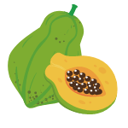

Watermelon
Watermelon is a watery fruit that grows in the vine-like shrub flowering plant that comes from the family Cucurbitaceae and contains water. The color of the outer shell is green and thick, and the inner fleshy part is red.



Dragonfruit
The dragon fruit is a fruit having less sugar content, lower in calories, and fiber content. This fruit fulfills the health benefits and also looks incredible, and also the taste is good.



Strawberry
The strawberry is a type of berry fruit, which is a hybrid species of genus Fragaria, produced all over the world. This is a very appreciable fruit by the characteristics of bright red color, its juicy texture, sweetness, and aroma. It is used in making various things like ice creams, chocolates, candies, etc.



Blueberry
Blueberries are produced from flowering plants that look like blue or purple berries. It belongs to the section Cyanococcus with the genus Vaccinium. It can be picked in front of semi-wild or wild bushes. Blueberry can be cultivated mostly in North-America continents.



Blackberry
Blackberries are edible fruits from the genus Rubus, in the family Rosaceae, produced by many species. All the subgenus species of Rubus are fruticosus aggregate. These small berries are black in color and taste very sweet.



Gooseberry
Gooseberry is a fruit that has a common name for the species of Ribes. These are edible fruits with green, red, purple, yellow, white, or black in colors.



Cherry
Cherry is a fruit of genus prunus, is a fleshy drupe. The sweet cherry is scientifically named Prunus avium, and the sour cherry is named Prunus cerasus. It is red, green, orange in colors, and produced in the flowering plants. It is also called cherry blossom and ornamental cherry.



Apricot
An apricot is a stone fruit from the family Rosaceae having the scientific name of Prunus armeniaca. This fruit is closely related to peaches, plums, cherries, and almonds, respectively. It can be eaten fresh or preserved.



Jackfruit
The jackfruit grows on a jack tree. A species of tree in a fig, mulberry, and breadfruit family.
It has a spike-like outer shell and presents in green, brown, yellow colors. Mostly found in the southern Indian region and rainforest of Malaysia.

Kiwi fruit
Kiwifruit is also known as a Chinese gooseberry, which is famous for its short name kiwi. It belongs to the genus Actinidia. It has a shape like an oval, and having light green and golden flesh, has a unique flavor with tiny black edible seeds.



Lime
Lime is a fruit, also known as lemon, a citrus fruit that contains citric acid in it. This is the same as that of the orange, grapefruit, etc. It is round, green, and contains acidic juice vesicles.



Peach
Peach is a fruit produced in a deciduous, its scientific name is Prunus persica, from the family Rosaceae. This fruit is also eaten by fish and baked into pines. Peach having yellow flesh inside is rich in vitamin A.

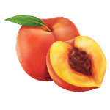

Pear
Peartree produces pears from the species of genus Pyrus, from the family Rosaceae. Certain pear fruit species are known for edible fruit and juices, while others are called trees.



Tamarind
Tamarind is a leguminous tree bearing edible fruit from the genus Tamarindus species, which is monotypic and contains a single species in it. The fruit of tamarind is an indehiscent legume called pods, having a hard, brown outer shell and is fleshy, juicy, and pulpy along with acidic quality. It describes best in sweet and sour taste and contains tartaric acid.



Custard-Apple
The Custard Apple is a common name for the fruit which bears this fruit, named scientifically Annona reticulata. This fruit may vary by shape, like heart-shaped, spherical, obligated, or irregular, respectively. The fruit looks brown or yellowish with red highlights when ripening totally. This fruit has a fleshy part and tastes sweet and pleasant.

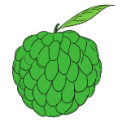

Fig
Fig is a fruit, also called Ficus carica, an Asian flowering plant from the mulberry family. It is also called Common Fig. This is considered an ornamental plant, as well as fruit.
Figs are a sweet fruit having multiple seeds and soft skin that can be eaten ripe as well as dried too. This is also called Nature’s candy having natural sugar present in purple, green, red, yellow, etc.



Guava
Guava is a fleshy fruit containing seeds inside it, which have vitamin-C rich and a lot of antioxidants, potassium, and fiber. It can be considered a beneficial fruit eaten regularly helps in blood sugar levels and some other purposes. The scientific name for this is Psidium guajava.



MuskMelon
Muskmelon is a species of melon that includes smooth-skinned varieties like honeydew, casaba, etc. This species comes from the category of Watermelon and cabbage.



Olives
Olive is a fruit having the botanical name Olea europaea, which means European olive. This is a species of a small plant from the family Oleaceae.



Java Plum
Java Plum, which is also known as Malabar plum, black plum has a scientific name Syzygium cumini. It is an evergreen tropical plant from the flowering plant species called Myrtaceae. This fruit is good in taste, sweet, and sometimes sour.

Sheet7

Sr No | Fruits Image | Fruits Name
1 |  | Mango
2 |  | Plums
3 |  | Lychee
4 |  | Cherry
5 |  | Avocado
6 |  | Gooseberry
7 |  | Peach
8 |  | Apricot
9 |  | Olive

Sheet8
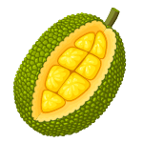
Sr No. | Fruits Image | Fruits Name
1 |  | Apple
2 |  | Banana
3 |  | Orange
4 |  | Mango
5 |  | Grapes
6 |  | Pineapple
7 |  | Pomegranate
8 |  | Avocado
9 |  | Coconut
10 |  | Papaya
11 |  | Watermelon
12 |  | Dragonfruit
13 |  | Strawberry
14 |  | Blueberry
15 |  | Blackberry
16 |  | Gooseberry
17 |  | Cherry
18 |  | Apricot
19 |  | Jackfruit
20 |  | Kiwifruit
21 |  | Lime
22 |  | Peach
23 |  | Pear
24 |  | Tamarind
25 |  | Custard-Apple
26 |  | Fig
27 |  | Guava
28 |  | MuskMelon

